RESULTS
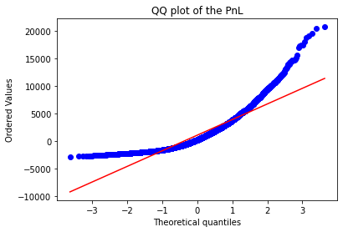
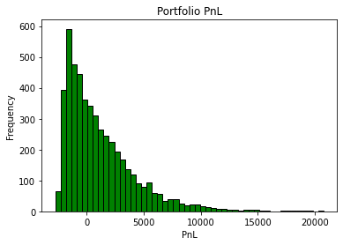
SECTION 1. GLOBAL LIMITS

 | 95% VaR | Limit (LAC) | Limit Usage (%)
 | $2,010.00 | $10,000 | 20%

 | Covid 19 Simulated PnL | Stress Test Warning Level | WL Usage (%)
 | $-9,300.00 | $-10,000.00 | 93%

SECTION 2. GRANULAR MARKET LIMITS

 | Sensitivity Name | Factor Sensitivity | Limit | Limit Usage (%) | Gross Sensitivity Long | Gross Sensitivity Short
 | All Mkts +1% | $792.00 | $1,000.00 | 79% | $10,312.00 | $-9,519.00
 | All Mkts +10% | $9,828.00 | $-15,000.00 | Not Applicable | $38,291.00 | $-28,462.00
 | All Mkts -10% | $-1,621.00 | $-15,000.00 | 11% | $-580.00 | $-1,041.00
 | Vola +1% | $196.00 | $3,000.00 | 7% | $10,567.00 | $-10,370.00
 | Vola +20% | $112.00 | $-5,000.00 | Not Applicable | $55,427.00 | $-55,315.00
 | Vola -20% | $-2,720.00 | $-5,000.00 | 54% | $-38,706.00 | $35,985.00

SECTION 3. STRESS TEST PROGRAM

 | Scenario Name | Simulated P&L
 | Covid 19 | $-9,271.00
 | Tech Rally Nov21 | $36,769.00
 | Oustanding Earnings Release | $46,214.00
 | Disappointing Earnings Release | $1,580.00

